TERROR
TERRORS |  |  |  |  | RAL 1023 | RAL 3020 | RAL 5015 | RAL 9005 | RAL 2005 | PAN 802C | PAN 806C | RAL 4008 | RAL 6027 | RAL 6018 | US 14-01 | US 16-16 | RAL 9010 | PAN 267U
NAME |  | SET SIZE | SKU | PRICE | 2 | 5 | 7 | 10 | 11 | 12 | 13 | 16 | 27 | 69 | 76 | 77 | 79 | 81 | SETS | HOLDS | WEIGHT | COST ex TAX

XS | 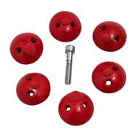 | 6 | UN 01 | $65.00 |  |  |  |  |  |  |  |  |  |  |  |  |  |  | 0 | 0 | 0 | $0.00
SMALL 1 | 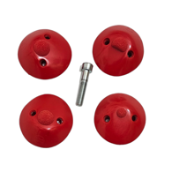 | 4 | UN 02 | $65.00 |  |  |  |  |  |  |  |  |  |  |  |  |  |  | 0 | 0 | 0 | $0.00
LARGE 1 | 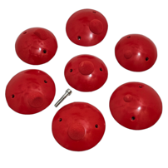 | 7 | UN 03 | $260.00 |  |  |  |  |  |  |  |  |  |  |  |  |  |  | 0 | 0 | 0 | $0.00
LARGE 2 | 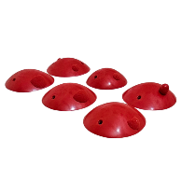 | 6 | UN 07 | $230.00 |  |  |  |  |  |  |  |  |  |  |  |  |  |  | 0 | 0 | 0 | $0.00
XL 1 | 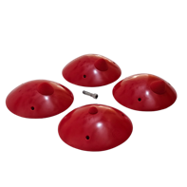 | 4 | UN 04 | $305.00 |  |  |  |  |  |  |  |  |  |  |  |  |  |  | 0 | 0 | 0 | $0.00
XL 2 |  | 3 | UN 08 | $230.00 |  |  |  |  |  |  |  |  |  |  |  |  |  |  | 0 | 0 | 0 | $0.00
XL 3 | 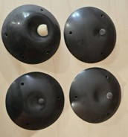 | 4 | UN 09 | $285.00 |  |  |  |  |  |  |  |  |  |  |  |  |  |  | 0 | 0 | 0 | $0.00
XL 4 | 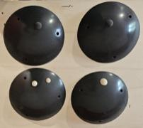 | 4 | UN 10 | $300.00 |  |  |  |  |  |  |  |  |  |  |  |  |  |  | 0 | 0 | 0 | $0.00
XL 5 |  | 2 | UN 11 | $265.00 |  |  |  |  |  |  |  |  |  |  |  |  |  |  | 0 | 0 | 0 | $0.00
SM PLATES |  | 2 | UN 05 | $75.00 |  |  |  |  |  |  |  |  |  |  |  |  |  |  | 0 | 0 | 0 | $0.00
MEDIUM PLATES | 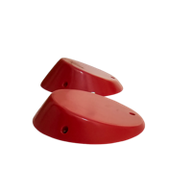 | 2 | UN 06 | $180.00 |  |  |  |  |  |  |  |  |  |  |  |  |  |  | 0 | 0 | 0 | $0.00
XXXL 1 | 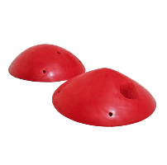 | 2 | UN 12 | $335.00 |  |  |  |  |  |  |  |  |  |  |  |  |  |  | 0 | 0 | 0 | $0.00
XXXL 2 | 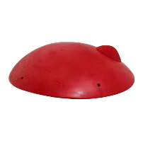 | 1 | UN 13 | $345.00 |  |  |  |  |  |  |  |  |  |  |  |  |  |  | 0 | 0 | 0 | $0.00
 |  |  |  | SETS | 0 | 0 | 0 | 0 | 0 | 0 | 0 | 0 | 0 | 0 | 0 | 0 | 0 | 0 | 0 | 0 | 0 | $0.00

COMMAS DT
COMMAS PU
 |  |  |  |  | RAL 1023 | RAL 3020 | RAL 5015 | RAL 9005 | RAL 2005 | PAN 802C | PAN 806C | RAL 4008 | RAL 6027 | RAL 6018 | US 14-01 | US 16-16 | RAL 9010 | PAN 267U
NAME |  | SET SIZE | SKU | PRICE | 2 | 5 | 7 | 10 | 11 | 12 | 13 | 16 | 27 | 69 | 76 | 77 | 79 | 81 | SETS | HOLDS | WEIGHT | COST ex TAX
COMMAS DUAL TEX
DUAL TEX FOOT JIBS | 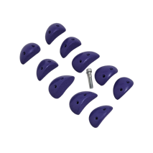 | 10 | UC 02 | $125.00 |  |  |  |  |  |  |  |  |  |  |  |  |  |  | 0 | 0 | 0 | $0.00
MICRO JIBS DT | 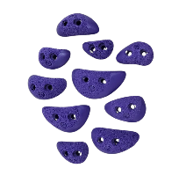 | 10 | UC 03 | $95.00 |  |  |  |  |  |  |  |  |  |  |  |  |  |  | 0 | 0 | 0 | $0.00
XS JIBS DT | 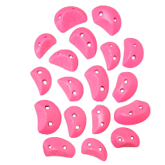 | 18 | UC 04 | $160.00
FLAT JIBS 1 | 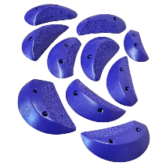 | 10 | UC 06 | $160.00 |  |  |  |  |  |  |  |  |  |  |  |  |  |  | 0 | 0 | 0 | $0.00
FLAT JIBS 2 | 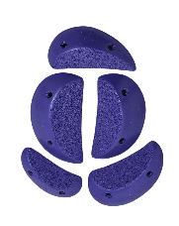 | 6 | UC 07 | $105.00 |  |  |  |  |  |  |  |  |  |  |  |  |  |  | 0 | 0 | 0 | $0.00
DUAL TEX SMALL FLARED JIBS | 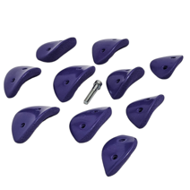 | 10 | UC 11 | $160.00 |  |  |  |  |  |  |  |  |  |  |  |  |  |  | 0 | 0 | 0 | $0.00
XS FLAIRED JIBS | 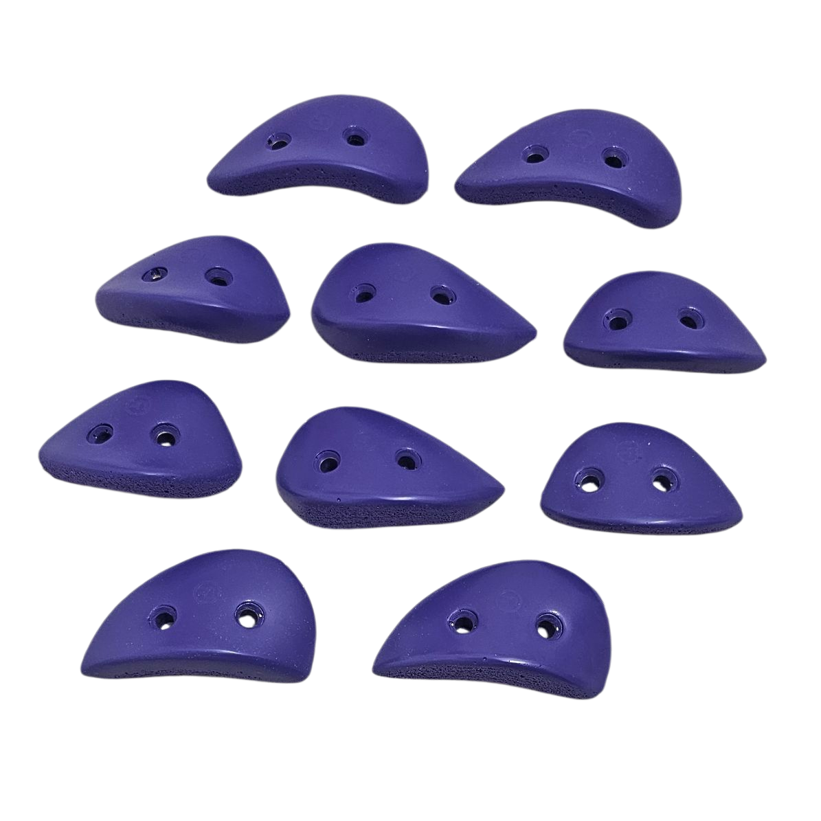 | 10 | UC 14 | $110.00 |  |  |  |  |  |  |  |  |  |  |  |  |  |  | 0 | 0 | 0 | $0.00
DUAL TEX SMALL FLARED EDGES 1 | 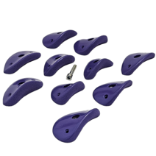 | 10 | UC 16 | $205.00 |  |  |  |  |  |  |  |  |  |  |  |  |  |  | 0 | 0 | 0 | $0.00
DUAL TEX SMALL FLARED EDGES 2 | 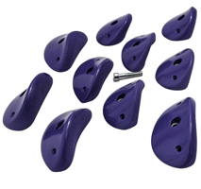 | 10 | UC 17 | $280.00 |  |  |  |  |  |  |  |  |  |  |  |  |  |  | 0 | 0 | 0 | $0.00
LARGE EDGE DT | 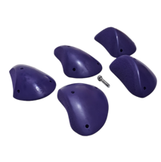 | 5 | UC 51 | $350.00 |  |  |  |  |  |  |  |  |  |  |  |  |  |  | 0 | 0 | 0 | $0.00
XL EDGE 2 DUAL TEX | 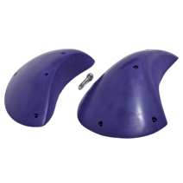 | 2 | UC 56 | $225.00 |  |  |  |  |  |  |  |  |  |  |  |  |  |  | 0 | 0 | 0 | $0.00
XL EDGE 3 DUAL TEX | 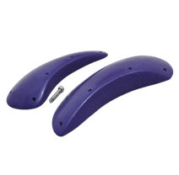 | 2 | UC 57 | $225.00 |  |  |  |  |  |  |  |  |  |  |  |  |  |  | 0 | 0 | 0 | $0.00
 |  |  |  | SETS | 0 | 0 | 0 | 0 | 0 | 0 | 0 | 0 | 0 | 0 | 0 | 0 | 0 | 0 | 0 | 0 | 0 | $0.00
COMMAS NORMAL TEX
XS FEET | 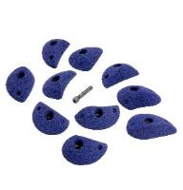 | 10 | UC 01 | $150.00 |  |  |  |  |  |  |  |  |  |  |  |  |  |  | 0 | 0 | 0 | $0.00
SMALL FEET | 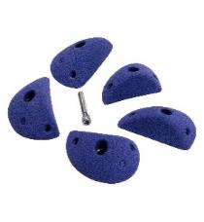 | 10 | UC O5 | $105.00 |  |  |  |  |  |  |  |  |  |  |  |  |  |  | 0 | 0 | 0 | $0.00
SMALL JIBS | 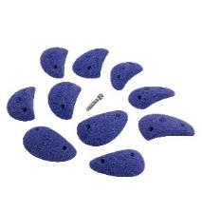 | 10 | UC 10 | $185.00 |  |  |  |  |  |  |  |  |  |  |  |  |  |  | 0 | 0 | 0 | $0.00
SMALL EDGE | 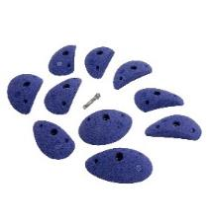 | 10 | UC 15 | $240.00 |  |  |  |  |  |  |  |  |  |  |  |  |  |  | 0 | 0 | 0 | $0.00
SMALL DEEP EDGE | 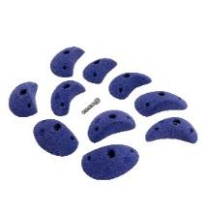 | 10 | UC 20 | $230.00 |  |  |  |  |  |  |  |  |  |  |  |  |  |  | 0 | 0 | 0 | $0.00
SMALL SCOOP EDGE | 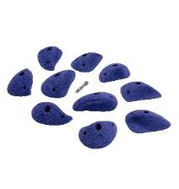 | 10 | UC 25 | $290.00 |  |  |  |  |  |  |  |  |  |  |  |  |  |  | 0 | 0 | 0 | $0.00
MEDIUM EDGE 1 | 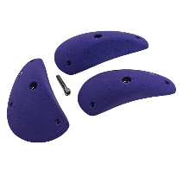 | 3 | UC 30 | $180.00 |  |  |  |  |  |  |  |  |  |  |  |  |  |  | 0 | 0 | 0 | $0.00
MEDIUM EDGE 2 | 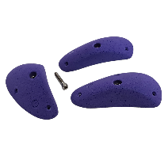 | 3 | UC 35 | $170.00 |  |  |  |  |  |  |  |  |  |  |  |  |  |  | 0 | 0 | 0 | $0.00
LARGE EDGE 1 | 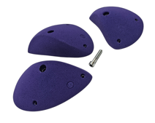 | 3 | UC 40 | $220.00 |  |  |  |  |  |  |  |  |  |  |  |  |  |  | 0 | 0 | 0 | $0.00
LARGE EDGE 2 | 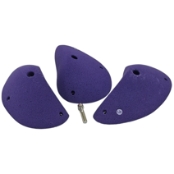 | 3 | UC 45 | $265.00 |  |  |  |  |  |  |  |  |  |  |  |  |  |  | 0 | 0 | 0 | $0.00
LARGE EDGE 3 | 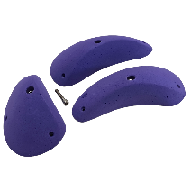 | 3 | UC 50 | $260.00 |  |  |  |  |  |  |  |  |  |  |  |  |  |  | 0 | 0 | 0 | $0.00
XL SLOPERS | 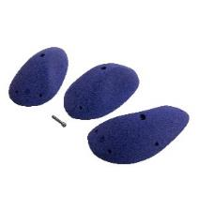 | 3 | UC 55 | $400.00 |  |  |  |  |  |  |  |  |  |  |  |  |  |  | 0 | 0 | 0 | $0.00
XXL SLOPERS | 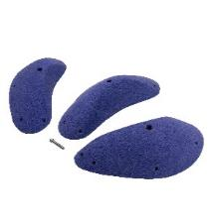 | 3 | UC 60 | $420.00 |  |  |  |  |  |  |  |  |  |  |  |  |  |  | 0 | 0 | 0 | $0.00
XXXL SLOPERS | 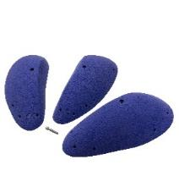 | 3 | UC 65 | $560.00 |  |  |  |  |  |  |  |  |  |  |  |  |  |  | 0 | 0 | 0 | $0.00
 |  |  |  | SETS | 0 | 0 | 0 | 0 | 0 | 0 | 0 | 0 | 0 | 0 | 0 | 0 | 0 | 0 | 0 | 0 | 0 | $0.00

ECLIPSE
ECLIPSE FAMILY |  |  |  |  | RAL 1023 | RAL 3020 | RAL 5015 | RAL 9005 | RAL 2005 | PAN 802C | PAN 806C | RAL 4008 | RAL 6027 | RAL 6018 | US 14-01 | US 16-16 | RAL 9010 | PAN 267U
NAME | PHOTO | SET SIZE | SKU | PRICE | 2 | 5 | 7 | 10 | 11 | 12 | 13 | 16 | 27 | 69 | 76 | 77 | 79 | 81 | SETS | HOLDS | WEIGHT | TOTAL ex TAX

JUGS & FEET
MEDIUM FEET 1 | 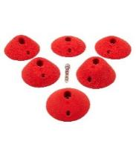 | 6 | UBE 76/CX.Small Feet 1 | $110.00 |  |  |  |  |  |  |  |  |  |  |  |  |  |  | 0 | 0 | 0 | $0.00
MEDIUM FEET 2 | 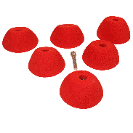 | 6 | UBE 79 | $145.00 |  |  |  |  |  |  |  |  |  |  |  |  |  |  | 0 | 0 |  | $0.00
MEDIUM DEEP FEET | 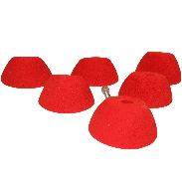 | 6 | UBE 80 | $165.00 |  |  |  |  |  |  |  |  |  |  |  |  |  |  | 0 | 0 |  | $0.00
M JUGS SET A | 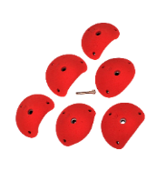 | 6 | UBE 21 | $215.00 |  |  |  |  |  |  |  |  |  |  |  |  |  |  | 0 | 0 | 0 | $0.00
L JUGS SET B | 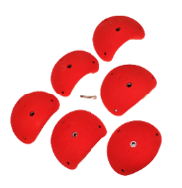 | 6 | UBE 22 | $370.00 |  |  |  |  |  |  |  |  |  |  |  |  |  |  | 0 | 0 | 0 | $0.00
XL JUGS SET C | 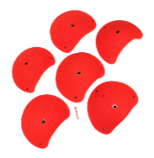 | 6 | UBE 23 | $550.00 |  |  |  |  |  |  |  |  |  |  |  |  |  |  | 0 | 0 | 0 | $0.00
XL JUGS SET D | 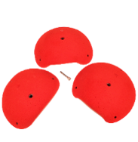 | 3 | UBE 24 | $410.00 |  |  |  |  |  |  |  |  |  |  |  |  |  |  | 0 | 0 | 0 | $0.00
 |  |  |  |  | 0 | 0 | 0 | 0 | 0 | 0 | 0 | 0 | 0 | 0 | 0 | 0 | 0 | 0 | 0 | 0 | 0 | $0.00

EDGES & SLOPERS & FEET
XS FEET 1 | 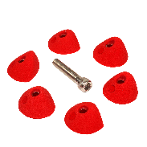 | 6 | UBE 85 | $45.00 |  |  |  |  |  |  |  |  |  |  |  |  |  |  | 0 | 0 |  | $0.00
XS FEET 2 | 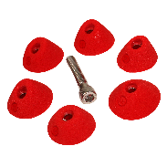 | 6 | UBE 86 | $45.00 |  |  |  |  |  |  |  |  |  |  |  |  |  |  | 0 | 0 |  | $0.00
S FEET 1 | 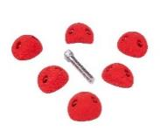 | 6 | UBE 77 | $55.00 |  |  |  |  |  |  |  |  |  |  |  |  |  |  | 0 | 0 | 0 | $0.00
XS FEET 2 |  | 6 | UBE 78 | $45.00 |  |  |  |  |  |  |  |  |  |  |  |  |  |  | 0 | 0 | 0 | $0.00
M FEET & EDGES | 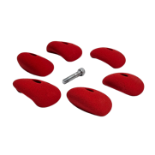 | 6 | UBE 84 | $105.00 |  |  |  |  |  |  |  |  |  |  |  |  |  |  | 0 | 0 | 0 | $0.00
MEDIUM 1 SLOPERS & EDGE | 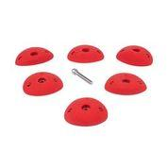 | 6 | UBE 74 | $80.00 |  |  |  |  |  |  |  |  |  |  |  |  |  |  | 0 | 0 | 0 | $0.00
MEDIUM 2 EDGE | 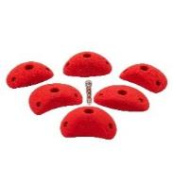 | 6 | UBE 75/cx Small Edge 2 | $95.00 |  |  |  |  |  |  |  |  |  |  |  |  |  |  | 0 | 0 | 0 | $0.00
M EDGES slope & edge |  | 6 | UBE 02 | $155.00 |  |  |  |  |  |  |  |  |  |  |  |  |  |  | 0 | 0 | 0 | $0.00
L SET A MIXED EDGES | 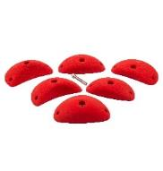 | 6 | UBE 01 | $190.00 |  |  |  |  |  |  |  |  |  |  |  |  |  |  | 0 | 0 | 0 | $0.00
L SET B MIXED DEEP INCUT AND SLOPERS |  | 6 | UBE 05 | $315.00 |  |  |  |  |  |  |  |  |  |  |  |  |  |  | 0 | 0 | 0 | $0.00
XL SET C MIXED DEEP INCUT AND SLOPERS |  | 6 | UBE 10 | $475.00 |  |  |  |  |  |  |  |  |  |  |  |  |  |  | 0 | 0 | 0 | $0.00
XL SET D MIXED DEEP INCUT AND SLOPERS 30 CM |  | 6 | UBE 15 | $635.00 |  |  |  |  |  |  |  |  |  |  |  |  |  |  | 0 | 0 | 0 | $0.00
XXL SET E MIXED DEEP INCUTS AND SLOPERS 40CM |  | 6 | UBE 20 | $1,010.00 |  |  |  |  |  |  |  |  |  |  |  |  |  |  | 0 | 0 | 0 | $0.00
 |  |  |  |  | 0 | 0 | 0 | 0 | 0 | 0 | 0 | 0 | 0 | 0 | 0 | 0 | 0 | 0 | 0 | 0 | 0 | $0.00

BLOCKERS (MIXED EDGES)

SET A1 FOR BLOCKING SET A ECLIPSE |  | 6 | UBE 25 | $65.00 |  |  |  |  |  |  |  |  |  |  |  |  |  |  | 0 | 0 | 0 | $0.00
SET A2 FOR BLOCKING SET A ECLIPSE |  | 6 | UBE 30 | $55.00 |  |  |  |  |  |  |  |  |  |  |  |  |  |  | 0 | 0 | 0 | $0.00
SET B1 FOR BLOCKING SET B ECLIPSE |  | 6 | UBE 35 | $110.00 |  |  |  |  |  |  |  |  |  |  |  |  |  |  | 0 | 0 | 0 | $0.00
SET B2 FOR BLOCKING SET B ECLIPSE |  | 6 | UBE 40 | $80.00 |  |  |  |  |  |  |  |  |  |  |  |  |  |  | 0 | 0 | 0 | $0.00
SET C1 FOR BLOCKING SET C ECLIPSE |  | 6 | UBE 45 | $185.00 |  |  |  |  |  |  |  |  |  |  |  |  |  |  | 0 | 0 | 0 | $0.00
SET C2 FOR BLOCKING SET C ECLIPSE |  | 6 | UBE 50 | $100.00 |  |  |  |  |  |  |  |  |  |  |  |  |  |  | 0 | 0 | 0 | $0.00
SET D1 FOR BLOCKING SET D ECLIPSE |  | 6 | UBE 55 | $155.00 |  |  |  |  |  |  |  |  |  |  |  |  |  |  | 0 | 0 | 0 | $0.00
SET D2 FOR BLOCKING SET D ECLIPSE |  | 6 | UBE 60 | $285.00 |  |  |  |  |  |  |  |  |  |  |  |  |  |  | 0 | 0 |  | $0.00
SET E1 FOR BLOCKING SET E ECLIPSE |  | 6 | UBE 65 | $345.00 |  |  |  |  |  |  |  |  |  |  |  |  |  |  | 0 | 0 |  | $0.00
SET E2 FOR BLOCKING SET E ECLIPSE |  | 6 | UBE 70 | $405.00 |  |  |  |  |  |  |  |  |  |  |  |  |  |  | 0 | 0 | 0 | $0.00
 |  |  |  |  | 0 | 0 | 0 | 0 | 0 | 0 | 0 | 0 | 0 | 0 | 0 | 0 | 0 | 0 | 0 | 0 | 0 | $0.00

